Sheet1

Cost of keg | $189.00
Units per keg | 141 | I inserted this picture a reference for potential cost in switching beers -- you have to reprint menus
Sales Price per unit | $7.00 | The selection I made -- such as paper stock and quanity -- are representative of what the menus at Fitz actually are
Gross Sales per keg | $987.00
Profit per keg | $798.00

Month | Units Sold
2023-03-23 | 219
2023-02-23 | 166
2023-01-23 | 205
2023-12-22 | 281
2023-11-22 | 191
2023-10-22 | 186
2023-09-22 | 234
2023-08-22 | 195
2023-07-22 | 238
2023-06-22 | 165
2023-05-22 | 169
2023-04-22 | 301
2023-03-22 | 223
2023-02-22 | 171
2023-01-22 | 193
2023-12-21 | 140
2023-11-21 | 204
2023-10-21 | 235
2023-09-21 | 202 |  | 118.42
2023-09-21 | 236
2023-07-21 | 243
2023-06-21 | 154

Bad Sales, Average Sales, Good
Units per keg | 141 |  |  |  |  |  |  | I inserted this picture a reference for potential cost in switching beers -- you have to reprint menus
Sales Price per unit | $7.00 |  |  |  |  |  |  | The selection I made -- such as paper stock and quanity -- are representative of what the menus at Fitz actually are
Gross Sales per keg | $987.00
Profit per keg | $798.00

 |  |  |  | Quartiles
Month | Units Sold |  | 0 | 174.75 | Bad Sales
2023-03-23 | 219 |  | 174.75 | 203 | Average Sales
2023-02-23 | 166 |  | 203 | 234.75 | Good Sales
2023-01-23 | 205 |  | 234.75 | 301 | Excellent Sales
2023-12-22 | 281 |  |  |  | BS | AS | GS | ES
2023-11-22 | 191 |  | P-Matrix: | BS | 0.1666666667 | 0.1666666667 | 0.3333333333 | 0.3333333333 | 1
2023-10-22 | 186 |  |  | AS | 0.25 | 0.25 | 0.25 | 0.25 | 1
2023-09-22 | 234 |  |  | GS | 0.5 | 0.25 | 0 | 0.25 | 1
2023-08-22 | 195 |  |  | ES | 0.1666666667 | 0.3333333333 | 0.3333333333 | 0.1666666667 | 1
2023-07-22 | 238 | To
2023-06-22 | 165 | From
2023-05-22 | 169
2023-04-22 | 301
2023-03-22 | 223
2023-02-22 | 171 |  |  | BS, AS, GS, ES
2023-01-22 | 193 |  | Starting Point | Outcomes | Total
2023-12-21 | 140 |  | BS: | 1, 1, 2, 2 | 7
2023-11-21 | 204 |  | AS: | 1,1,1,1 | 4
2023-10-21 | 235 |  | GS: | 2, 1, 0, 1 | 4
2023-09-21 | 202 |  | ES | 1, 2, 2, 1 | 6
2023-09-21 | 236 |  |  |  | 21
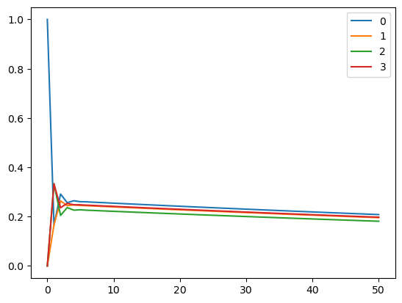
2023-07-21 | 243 | To
2023-06-21 | 154 | From
Inverse Chronological

